Pile Driving Instructions
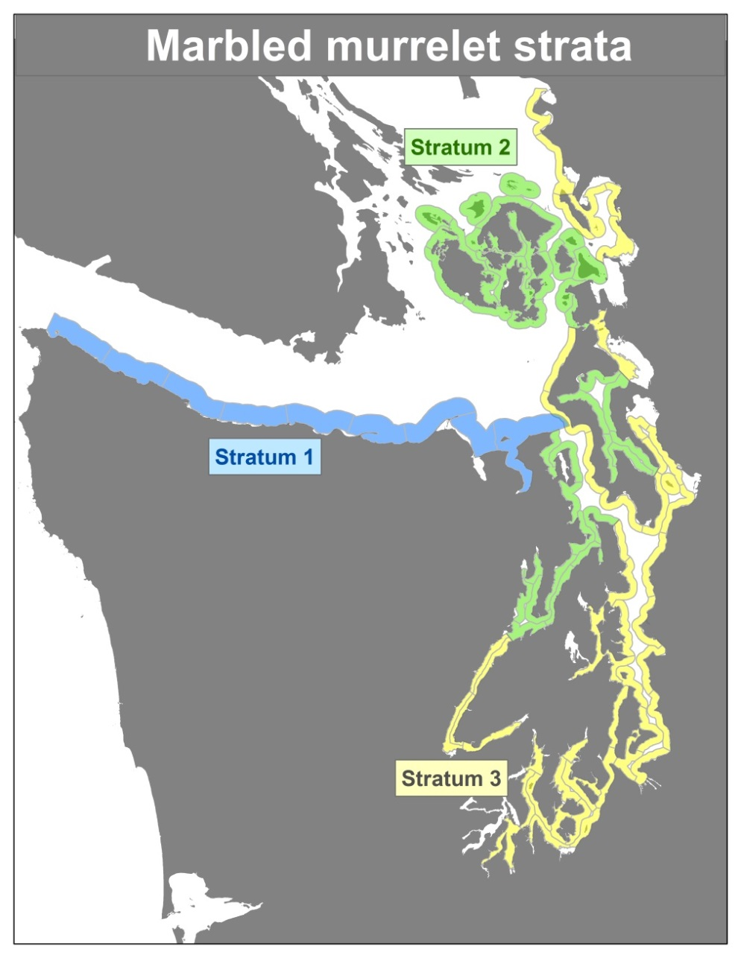
Download a copy of the calculator so the master workbook is not altered.

 | NOTE: The sound data built into this calculator applies best to typical pile driving projects in Puget Sound with substrate of unconsolidated glacial outwash. If your project will occur in a different susbtrate (e.g., rock) discuss with the Bioacoustics Lead.

In the "Project Data and Effects" worksheet:
 | 1. | Select the Material, Type, and Diameter of the proposed action's piles from the drop-down menus.
 |  | i. | If there is not sound data available for the size of piling proposed, use the next higher pile size that does have sound data as a conservative estimate
 |  | ii. | If there are not appropriate options to describe the piles in the proposed action or you want to use other sound data, manually enter sound data into the light blue Other data cells. Notify the Bioacoustics Lead if the calculator needs to be updated

 | 2. | Enter the maximum proposed number of piles to be installed per day

 | 3. | Enter the maxumum expected number of strikes per pile

 | 4. | Enter the sound attenuation from devices (e.g. bubble curtain) to decrease the sound energy transmitted to the environment.
 |  | NOTE: Only credit the project for sound attenuation IF the applicant will use hydroacoustic monitoring to ensure the performance of the attenuation device (shutting down pile driving if the attenuation device fails to deliver the expected attenuation). If hydroacoustic monitoring will not occur, enter zero or leave blank.

 | 5. | Enter the marbled murrelet stratum where the work will occur (refer to map, if your project is in an area that is not shaded use the stratum closest to the project).

 | 6. | Enter the number of piles to be installed during the summer (April - September) and winter (October - March)
 |  | i. | If it is unclear how many piles will be installed during the discrete murrelet seasons, analyze the worst-case scenario:
 |  |  | > | Stratum 1: Analyze project with all piles installed in the summer
 |  |  | > | Strata 2 & 3: Analyze project with all piles installed in the winter
 |  | ii. | If your analysis worst-case scenario yields results that are close to discountable, getting the action agency/applicant to better describe or constrain their action may allow a better analysis that could result in the action being Not Likely to Adversely Affect listed species.

 | 7. | Select, from the drop-down menu, if monitoring for marbled murrelets following USFWS protocol is included in the proposed action

 | 8. | Enter the percentage of the auditory injury area of effects that is land

FURTHER NOTES:
 | a. | We do not expect injurious sound to result from driving concrete, plastic, or wood piles. Do not use this calculator to determine effects of those piles. |  |  |  |  | c. | Areas of effects relating to Effective Quiet refers to the areas within which energy from pile driving will accumulate and could be harmful. Outside of that area, energy is no longer accumulating. This is not the same as ambient sound level.

 | b. | We do not expect "typical" pile driving projects to result in masking (in-air sound interference with murrelet vocal communication). |  |  |  |  | d. | The criterion and areas of potential behavioral responses are guidelines only. The area of effects shows the distance needed for sound pressure levels will drop below 150 dBRMS. Whether individuals within that area of effects would exhibit behavioral responses depends on the duration of the activity.
 |  | i. | "Typical" pile driving projects entail only vibratory driving or intermittent impact driving (such as proofing).
 |  | ii. | Monitoring for marbled murrelets within a masking zone should only occur from stationary locations.

 |  |  |  |  | Date | Staff
Last Update: |  |  |  |  | 2023-03-15 | LZC

MaMu Density
 |  | Date | Staff
Last Update: |  | 2023-03-01 | LZC

 | All Conservation Zones (Zones 1-5) |  |  |  |  |  |  |  | Conservation Zone 1 - All Stratums |  |  |  |  |  |  |  |  |  |  | Conservation Zone 2 (All Stratums) |  |  |  |  |  |  |  |  |  |  | Conservation Zone 3 (All Stratums) |  |  |  |  |  |  |  |  |  |  | Conservation Zone 4 (All Stratums) |  |  |  |  |  |  |  |  | Conservation Zone 5 (All Stratums) |  |  |  |  |  |  |  |  | Conservation Zone 6
Year | Density (birds/km2) | Coefficient of Variation of Density (%) | Birds | Birds Lower 95% CL | Density Lower 95% CL (birds/km2) | Birds Upper 95% CL | Density Upper 95% CL (birds/km2) | Area (km2) | Density (birds/km2) | Coefficient of Variation of Density (%) | Birds | Birds Lower 95% CL | Density Lower CL (birds/km2) | Birds Upper 95% CL | Density Upper 95% CL (birds/km2) | Area (km2) | f(0) | E(s) | Truncation Distance (m) | Density (birds/ km2) | Coefficient of Variation of Density (%) | Birds | Birds Lower 95% CL | Density Lower CL (birds/km2) | Birds Upper 95% CL | Density Upper 95% CL (birds/km2) | Area (km2) | f(0) | E(s) | Truncation Distance (m) | Density (birds/ km2) | Coefficient of Variation of Density (%) | Birds | Birds Lower 95% CL | Density Lower 95% CL (birds/km2) | Birds Upper 95% CL | Density Upper 95% CL (birds/km2) | Area (km2) | f(0) | E(s) | Truncation Distance (m) | Density (birds/ km2) | Coefficient of Variation of Density (%) | Birds | Birds Lower 95% CL | Birds Upper 95% CL | Area (km2) | f(0) | E(s) | Truncation Distance (m) | Density (birds/ km2) | Coefficient of Variation of Density (%) | Birds | Birds Lower 95% CL | Birds Upper 95% CL | Area (km2) | f(0) | E(s) | Truncation Distance (m) | Density | se | Birds | lambda | L95 | U95
2001 | 2.531 | 9.9 | 22300 | 18000 | 2.039 | 26700 | 3.025 | 8826 | 2.553 | 18.0 | 8936 | 5740 | 1.640 | 11896 | 3.398 | 3501 | 0.0133 | 1.594 | 142 | 1.241 | 35.3 | 2094 | 791 | 0.469 | 3555 | 2.106 | 1688 | 0.0147 | 1.447 | 85 | 4.636 | 13.2 | 7396 | 5230 | 3.279 | 9075 | 5.690 | 1595 | 0.0166 | 1.735 | 140 | 3.286 | 22.1 | 3809 | 3020 | 6238 | 1159 | 0.0101 | 1.749 | 170 | 0.115 | 39.5 | 102 | 11 | 177 | 883 | 0.0101 | 1.749 | 170 |  |  | 661 |  | 556 | 786
2002 | 2.581 | 11.8 | 22700 | 17400 | 1.980 | 27900 | 3.175 | 8788 | 2.788 | 21.5 | 9758 | 5954 | 1.701 | 14149 | 4.041 | 3501 | 0.0103 | 1.761 | 194 | 1.329 | 25.6 | 2193 | 828 | 0.502 | 2978 | 1.804 | 1650 | 0.0197 | 1.434 | 70 | 3.583 | 24.1 | 5716 | 3674 | 2.303 | 9563 | 5.996 | 1595 | 0.0118 | 1.892 | 150 | 4.112 | 15.1 | 4766 | 3272 | 6106 | 1159 | 0.0108 | 1.724 | 175 | 0.282 | 42.3 | 249 | 27 | 400 | 883 | 0.0108 | 1.724 | 175 |  |  | 683 | 1.0333 | 561 | 832
2003 | 2.531 | 9.1 | 22200 | 18300 | 2.083 | 26200 | 2.982 | 8786 | 2.428 | 16.6 | 8495 | 5795 | 1.657 | 11211 | 3.205 | 3498 | 0.0087 | 1.817 | 300 | 2.059 | 23.0 | 3399 | 2032 | 1.231 | 5157 | 3.125 | 1650 | 0.0171 | 1.398 | 80 | 3.686 | 16.1 | 5881 | 3992 | 2.503 | 7542 | 4.729 | 1595 | 0.0132 | 1.664 | 130 | 3.806 | 17.3 | 4412 | 3488 | 6495 | 1159 | 0.0086 | 1.704 | 180 | 0.055 | 61.1 | 48 | - | 85 | 883 | 0.0086 | 1.704 | 180 |  |  | 699 | 1.0234 | 567 | 860
2004 | 2.455 | 10.5 | 21600 | 17100 | 1.946 | 26000 | 2.959 | 8786 | 1.562 | 22.0 | 5465 | 2921 | 0.835 | 7527 | 2.152 | 3498 | 0.0108 | 1.789 | 280 | 1.823 | 27.0 | 3009 | 1669 | 1.011 | 4634 | 2.808 | 1650 | 0.0115 | 1.411 | 115 | 5.051 | 13.7 | 8058 | 5369 | 3.366 | 9819 | 6.156 | 1595 | 0.0141 | 1.697 | 110 | 4.272 | 26.9 | 4952 | 3791 | 9021 | 1159 | 0.0093 | 1.700 | 200 | 0.099 | 60.5 | 88 | 18 | 214 | 883 | 0.0093 | 1.700 | 200
2005 | 2.3 | 10.7 | 20200 | 16000 | 1.821 | 24400 | 2.777 | 8785 | 2.275 | 20.5 | 7956 | 4900 | 1.401 | 11288 | 3.228 | 3497 | 0.0156 | 1.758 | 150 | 1.561 | 20.4 | 2576 | 1675 | 1.015 | 3729 | 2.259 | 1650 | 0.0136 | 1.418 | 130 | 3.669 | 16.9 | 5854 | 3580 | 2.245 | 7447 | 4.669 | 1595 | 0.0127 | 1.841 | 150 | 3.169 | 23.6 | 3673 | 2740 | 6095 | 1159 | 0.0108 | 1.518 | 170 | 0.169 | 31.8 | 149 | 69 | 251 | 883 | 0.0108 | 1.518 | 170
2006 | 2.087 | 8.2 | 18335 | 15400 | 1.753 | 21300 | 2.425 | 8785 | 1.687 | 18.1 | 5899 | 4211 | 1.204 | 8242 | 2.357 | 3497 | 0.0138 | 1.765 | 139 | 1.443 | 18.0 | 2381 | 1702 | 1.031 | 3433 | 2.080 | 1650 | 0.0130 | 1.567 | 107 | 3.731 | 12.7 | 5953 | 4546 | 2.850 | 7617 | 4.776 | 1595 | 0.0114 | 1.814 | 145 | 3.410 | 14.9 | 3953 | 3164 | 5525 | 1159 | 0.0106 | 1.622 | 150 | interpolated | - | 89 | 35 | 150 | 883 | 0.0106 | 1.622 | 150
2007 | 1.971 | 13.7 | 17300 | 12700 | 1.446 | 22000 | 2.504 | 8785 | 1.997 | 24.2 | 6985 | 4148 | 1.186 | 10639 | 3.042 | 3497 | 0.0117 | 1.642 | 378 | 1.536 | 26.7 | 2535 | 1318 | 0.799 | 3867 | 2.343 | 1650 | 0.0135 | 1.496 | 126 | 2.518 | 19.8 | 4018 | 2730 | 1.712 | 5782 | 3.625 | 1595 | 0.0106 | 1.653 | 150 | 3.234 | 34.8 | 3749 | 2659 | 7400 | 1159 | 0.0106 | 1.607 | 180 | 0.033 | 37.7 | 30 | - | 49 | 883 | 0.0106 | 1.607 | 180 |  |  | 378 |  | 238 | 518
2008 | 2.064 | 8.9 | 18100 | 15000 | 1.707 | 21300 | 2.425 | 8785 | 1.344 | 17.6 | 4699 | 3000 | 0.858 | 6314 | 1.806 | 3497 | 0.0109 | 1.739 | 206 | 1.169 | 22.1 | 1929 | 1164 | 0.705 | 2868 | 1.738 | 1650 | 0.0112 | 1.535 | 187 | 3.857 | 14.7 | 6153 | 4485 | 2.812 | 8066 | 5.057 | 1595 | 0.0113 | 1.750 | 130 | 4.560 | 17.9 | 5285 | 3809 | 7503 | 1159 | 0.0100 | 1.705 | 200 | 0.076 | 48.1 | 67 | 9 | 132 | 883 | 0.0100 | 1.705 | 200 |  |  | 174 | 0.4603 | 91 | 256
2009 | 1.963 | 10.6 | 17200 | 13700 | 1.559 | 20800 | 2.368 | 8785 | 1.608 | 21.2 | 5623 | 3786 | 1.083 | 8497 | 2.430 | 3497 | 0.0094 | 1.694 | 254 | 0.77 | 21.7 | 1271 | 800 | 0.485 | 1902 | 1.152 | 1650 | 0.0092 | 1.469 | 191 | 3.696 | 17.7 | 5896 | 3898 | 2.444 | 7794 | 4.887 | 1595 | 0.0131 | 1.696 | 120 | 3.786 | 19.9 | 4388 | 3599 | 6952 | 1159 | 0.0100 | 1.661 | 150 | interpolated | - | 90 | 11 | 186 | 883 | 0.0100 | 1.661 | 150 |  |  | 631 | 3.6264 | 449 | 885
2010 | 1.889 | 11.1 | 16600 | 13000 | 1.480 | 20200 | 2.299 | 8785 | 1.256 | 20.0 | 4393 | 2719 | 0.778 | 6207 | 1.775 | 3497 | 0.01 | 1.717 | 200 | 0.779 | 25.5 | 1286 | 688 | 0.417 | 1961 | 1.188 | 1650 | 0.0114 | 1.582 | 145 | 4.503 | 16.7 | 7184 | 4453 | 2.792 | 9425 | 5.909 | 1595 | 0.0138 | 1.770 | 160 | 3.162 | 28.5 | 3665 | 2248 | 6309 | 1159 | 0.0120 | 1.624 | 165 | interpolated | - | 114 | 13 | 241 | 883 | 0.0120 | 1.624 | 165
2011 | 2.501 | 12.6 | 22000 | 16600 | 1.890 | 27400 | 3.119 | 8785 | 2.055 | 17.4 | 7187 | 4807 | 1.375 | 9595 | 2.744 | 3497 | 0.0089 | 1.666 | 289 | 0.721 | 33.4 | 1189 | 571 | 0.346 | 2106 | 1.276 | 1650 | 0.0110 | 1.496 | 161 | 4.661 | 16.3 | 7436 | 5067 | 3.177 | 9746 | 6.110 | 1595 | 0.0126 | 1.678 | 120 | 5.196 | 34.9 | 6023 | 2782 | 10263 | 1159 | 0.0122 | 1.644 | 145 | 0.155 | 53.0 | 137 | 16 | 295 | 883 | 0.0122 | 1.644 | 145
2012 | 2.4 | 11.3 | 21100 | 16400 | 1.867 | 25800 | 2.937 | 8785 | 2.414 | 20.7 | 8442 | 5090 | 1.456 | 12006 | 3.433 | 3497 | 0.0109 | 1.847 | 164 | 0.719 | 33.5 | 1186 | 564 | 0.342 | 2360 | 1.430 | 1650 | 0.0131 | 1.485 | 106 | 3.986 | 15.5 | 6359 | 4136 | 2.593 | 8058 | 5.052 | 1595 | 0.0112 | 1.765 | 186 | 4.279 | 24.9 | 4960 | 3414 | 8011 | 1159 | 0.0107 | 1.652 | 140 | interpolated | - | 104 | 10 | 206 | 883 | 0.0107 | 1.652 | 140
2013 | 2.236 | 11.1 | 19600 | 15400 | 1.753 | 23900 | 2.721 | 8785 | 1.257 | 27.9 | 4395 | 2298 | 0.657 | 6954 | 1.989 | 3497 | 0.0109 | 1.695 | 137 | 0.758 | 19.3 | 1251 | 889 | 0.539 | 1796 | 1.088 | 1650 | 0.0117 | 1.569 | 132 | 4.939 | 16.3 | 7880 | 5450 | 3.417 | 10361 | 6.496 | 1595 | 0.0112 | 1.637 | 160 | 5.216 | 20.5 | 6046 | 4531 | 9282 | 1159 | 0.0128 | 1.609 | 146 | 0.08 | 45.4 | 71 | 5 | 118 | 883 | 0.0128 | 1.607 | 146
2014 | 2.423 | 9.2 | 21300 | 17500 | 1.992 | 25100 | 2.857 | 8785 | 0.801 | 20.6 | 2801 | 1598 | 0.457 | 3876 | 1.108 | 3497 | 0.0102 | 1.664 | 172 | 1.318 | 30.7 | 2176 | 1038 | 0.629 | 3574 | 2.166 | 1650 | 0.0131 | 1.508 | 122 | 5.541 | 12.4 | 8841 | 6819 | 4.275 | 11276 | 7.070 | 1595 | 0.0108 | 1.720 | 140 | Conservation Zone 4 was not surveyed in 2014, interpolated value used for All Zone calculation |  |  |  |  |  |  |  |  | Conservation Zone 5 not surveyed in 2014. Extrapolated value used for All Zone calculation.
2015 | 2.747 | 9.5 | 24100 | 19700 | 2.242 | 28600 | 3.256 | 8785 | 1.227 | 24.1 | 4290 | 2640 | 0.755 | 6565 | 1.877 | 3497 | 0.01111 | 1.786 | 191 | 1.941 | 30.4 | 3204 | 1883 | 1.141 | 5609 | 3.399 | 1650 | 0.0093 | 1.866 | 175 | Conservation Zone 3 was not surveyed in 2015, Average of 2014 and 2016 estimates used for All-Zones estimate |  |  |  |  |  |  |  |  |  |  | 7.542 | 16.8 | 8743 | 7409 | 13125 | 1159 | 0.01183 | 1.701 | 159 | Conservation Zone 5 not surveyed in 2015 - no data.
2016 | 2.575 | 10 | 22600 | 18200 | 2.072 | 27100 | 3.085 | 8785 | 1.319 | 30.0 | 4614 | 2298 | 0.657 | 7571 | 2.165 | 3497 | 0.01121 | 1.675 | 224 | Not surveyed in 2016, extrapolated value used for All-Zones estimate. |  |  |  |  |  |  |  |  |  |  | 4.271 | 13.8 | 6813 | 5389 | 3.379 | 8821 | 5.530 | 1595 | 0.01161 | 1.661 | 130 | Not surveyed in 2016, extrapolated value used for All-Zones estimate. |  |  |  |  |  |  |  |  | Not surveyed in 2016
2017 | 2.62 | 10 | 23000 | 18500 | 2.106 | 27600 | 3.142 | 8785 | Not surveyed |  |  |  |  |  |  |  |  |  |  | 1.065 | 23.2 | 1758 | 1041 | 0.631 | 2623 | 1.590 | 1650 | 0.0097 | 1.648 | 154 | Not surveyed |  |  |  |  |  |  |  |  |  |  | 7.373 | 14.9 | 8546 | 6277 | 11331 | 1159 | 0.0118 | 1.660 | 170 | 0.988 | 39.0 | 872 | 467 | 1698 | 883
...
 | Conservation Zone 1 - Stratum 1 |  |  |  |  |  |  |  | Conservation Zone 1 - Stratum 2 |  |  |  |  |  |  |  | Conservation Zone 1 - Stratum 3
2014 | 1.235 | 28.0 | 1044 | 558 | 0.660 | 1643 | 1.94 | 845.2 | 1.274 | 27.2 | 1521 | 600 | 0.503 | 2219 | 1.86 | 1193.69 | 0.162 | 70.9 | 236
2015 | 2.218 | 35.8 | 1875 | 829 | 0.981 | 3383 | 4.00 | 845.2 | 1.945 | 29.9 | 2321 | 1148 | 0.962 | 3863 | 3.24 | 1193.69 | 0.064 | 92.6 | 94
2016 | 2.693 | 36.6 | 2276 | 969 | 1.146 | 4,062 | 4.81 | 845.2 | 1.655 | 51.7 | 1975 | 617 | 0.517 | 4075 | 3.41 | 1193.69 | 0.249 | 37.7 | 362
2017 | Not surveyed |  |  |  |  |  |  |  | Not surveyed |  |  |  |  |  |  |  | Not surveyed
2018 | 1.402 | 44.8 | 1185 | 339 | 0.401 | 2,367 | 2.80 | 845.2 | 1.034 | 29.6 | 1234 | 543 | 0.455 | 1947 | 1.63 | 1193.69 | 0.977 | 87.4 | 1425
2019 | Not surveyed |  |  |  |  |  |  |  | Not surveyed |  |  |  |  |  |  |  | Not surveyed
2020 | 1.831 | 30.8 | 1548 | 803 | 0.950 | 2,269 | 2.68 | 845.2 | 0.825 | 29.6 | 985 | 296 | 0.248 | 1420 | 1.19 | 1193.69 | 0.419 | 37.4 | 611
2021
2022 | 3.552 | 16.3 | 3002 | 2066 | 2.445 | 3,948 | 4.67 | 845 | 0.543 | 21.6 | 648 | 355 | 0.297 | 916 | 0.77 | 1194 | 0.101 | 53.3 | 147
5 yr AVG | 2.34 |  | 1977 | 700 | 0.83 | 2745 | 3.25 |  | 1.20 |  | 1433 | 592 | 0.50 | 2444 | 2.05 |  | 0.36 |  | 528
Conservation Zone 1 2001-2016 Summer Murrelet Density by Stratum
 | Stratum 1 | Stratum 2 | Stratum 3
2001 | 4.506 | 1.764 | 2.067
2002 | 7.207 | 1.879 | 0.972
2003 | 6.644 | 1.441 | 0.793
2004 | 3.833 | 1.513 | 0.286
2005 | 2.501 | 2.426 | 2.021
2006 | 2.760 | 1.418 | 1.284
2007 | 3.445 | 1.218 | 1.796
2008 | 3.572 | 0.899 | 0.416
2009 | 3.811 | 0.689 | 1.083
2010 | 2.004 | 1.783 | 0.391
2011 | 5.580 | 1.243 | 0.676
2012 | 7.166 | 1.507 | 0.402
2013 | 2.379 | 0.657 | 1.097
2014 | 1.235 | 1.274 | 0.162
2015 | 2.218 | 1.945 | 0.064
2016 | 2.693 | 1.655 | 0.249
2017 | 0.000 | 0.000 | 0.000
2018 | 1.402 | 1.034 | 0.977

